Sheet1
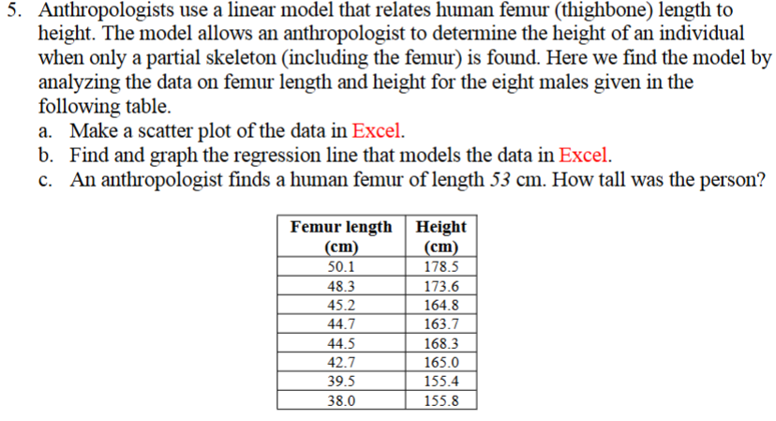
Q.5

 |  | Femur length (cm) | Height (cm)
 |  | 50.1 | 178.5
a. |  | 48.3 | 173.6
b. |  | 45.2 | 164.8
 |  | 44.7 | 163.7
 |  | 44.5 | 168.3
 |  | 42.7 | 165
 |  | 39.5 | 155.4
 |  | 38 | 155.8

c. | Slope | 1.8807424694
 | Intercept | 82.649738537
 | R^2 | 0.92507937096

 |  | Length of Femur (cm) | Height (cm)
 |  | 53 | 182.32908942

